Completion Instructions
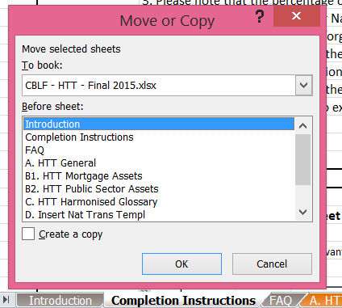
 |  | Completion Instructions

 |  | Please delete this tab once you have completed this file

1. Please complete all the cells that include "[For completion]" and "[Mark as ND if not relevant]"
2. The "[For completion]" or "[Mark as ND if not relevant]" cells could be filled with:
 | 2.A Numbers: Please insert the appropriate data
 | 2.B Letters: Please insert either No Data (ND)
 | (i) ND1: Please complete the cell with ND1 when the information is not applicable for the jurisdiction
 | (ii) ND2: Please complete the cell with ND2 when the information is not relevant for the issuer and/or CB programme at the present time
 | (iii) ND3: Please complete the cell with ND3 when the information is not available at the present time
3. Please note that the percentage cells will be automatically completed by the spreadsheet.
4. Should you wish to insert your National Transparency Template worksheet(s) in the HTT, please follow our instructions in the box below.
 | Please do not forget to change the name of the worksheet in order to be consistent with the numbering of the existing ones (starting with D.).
 | Please update the Introduction Tab accordingly.
5. Please delete tab D (Insert National Transparency Template) and the example tabs if unused.
 | Please update the introduction Tab accordingly.
6. Should you make references to external documents or cells in this document, please insert the hyperlink.

How to import an excel worksheet

1. Click on the tab of the worksheet you want to import |  |  | 3. Select the excel file where you want to transfer your worksheet from the dropdown menu
2. Select "Move or Copy" |  |  | 4. In the box Before Sheet, please select "(move to end)"
3 |  |  | 5. Do not forget to tick the "Create a copy" box and press ok

